Introduction
Introduction
This template has been developed to calculate RETV value for IGBC Green Homes Version 3 as per Eco-Niwas Samhita,2018 (ENS,2018).
RETV value should be calculated for each tower in the Project.
Kindly Note: 1. One excel book can be used for filling details of only one tower. 2. Towers with similar orientations can consider calculations done for a single tower. 3. RETV calculations are not applicable for Cold climate zone

 | Cells in yellow are to be filled-in by the project team
 | Cells in blue are calculations value and will be Automatically updated.
 | Cells in grey have a list of options to be selected from Dropdown
 | The Sheet "RETV Value" gives the final value.

Reference figures*
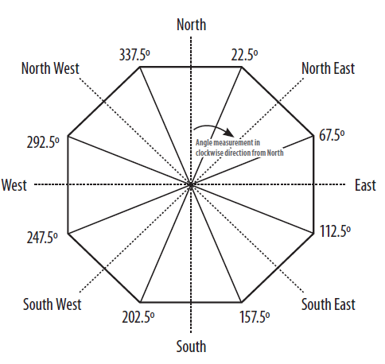 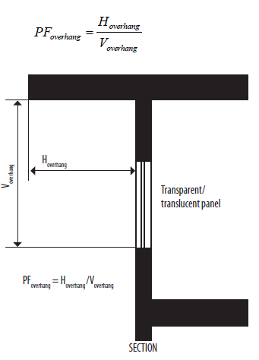 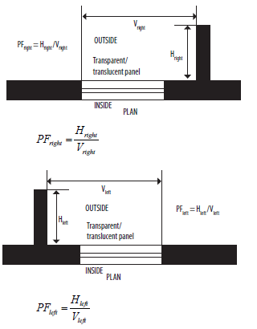
*Source: ENS,2018

Example: The following outlines indicate the directions to be considered for calculations.

3 m
12 m
 |  |  |  |  | S
 |  |  |  |  | N
 |  |  |  |  | W
 |  |  |  |  | E
 |  |  |  | → N

 |  | In this outline, the length of south facing walls = 12 + 3 = 15 m. So, while filling the template, 15m to be mentioned in Envelope Details.

 |  |  | 1st Version: 28 July 2020
 |  |  | Last Modified: 30 April 2024

